Ground Invertebrates
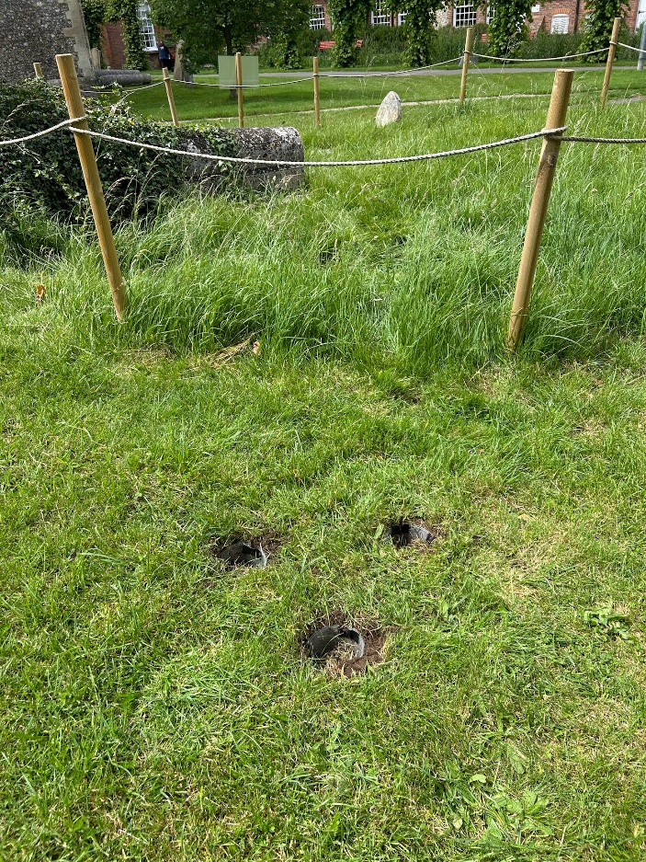
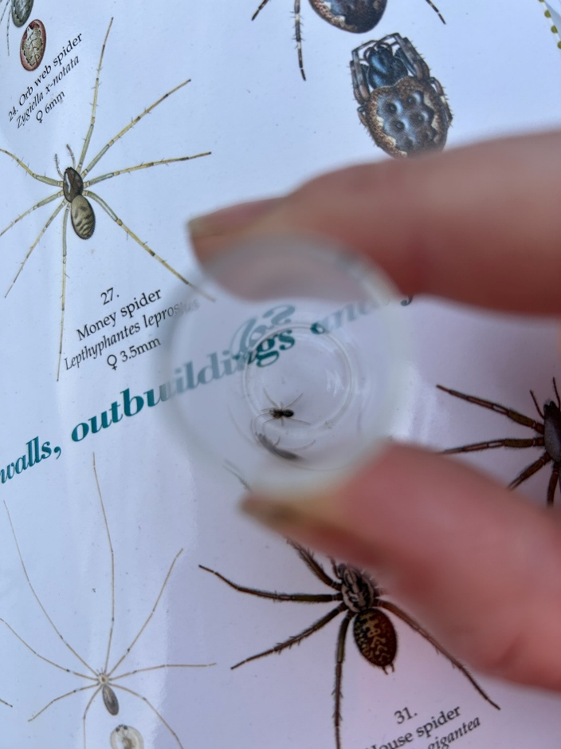
Notes:
The data collection effort behind these figures were:
* 16 x pitfall trap collections (8 days in total with twice daily emptying)
* 8 x 15 minute hand searches on the locations

 | PITFALL TRAPPING |  |  |  |  |  | HANDSEARCHING |  |  |  |  |  | TOTAL:
Order/Family | Condition 1 - Wilded Areas |  |  | Condition 2 - Non Wilded |  |  | Condition 1 - Wilded Areas |  |  | Condition 2 - Non Wilded
 | Circle 1 | Circle 2 | Circle 3 | Circle 1 | Circle 2 | Circle 3 | Circle 1 | Circle 2 | Circle 3 | Circle 1 | Circle 2 | Circle 3
Coleoptera — beetles, weevils
Anthicidae | 0 | 7 | 0 | 0 | 0 | 0 | 0 | 0 | 0 | 0 | 0 | 0 | 7
Carabidae | 4 | 0 | 0 | 6 | 2 | 3 | 0 | 0 | 0 | 1 | 0 | 0 | 16
Curculionidae | 0 | 0 | 0 | 5 | 1 | 0 | 0 | 0 | 0 | 0 | 0 | 0 | 6
Melyridae | 1 | 1 | 0 | 0 | 0 | 0 | 0 | 0 | 0 | 0 | 0 | 0 | 2
Staphylinidae | 0 | 0 | 2 | 4 | 0 | 0 | 0 | 0 | 0 | 2 | 0 | 0 | 8

Diptera — flies
Phoridae | 3 | 0 | 0 | 0 | 0 | 2 | 0 | 0 | 0 | 0 | 0 | 0 | 5

Hymenoptera — ants, small wasps
Formicidae | 14 | 0 | 74 | 15 | 30 | 0 | 10 | 0 | 25 | 0 | 12 | 0 | 180

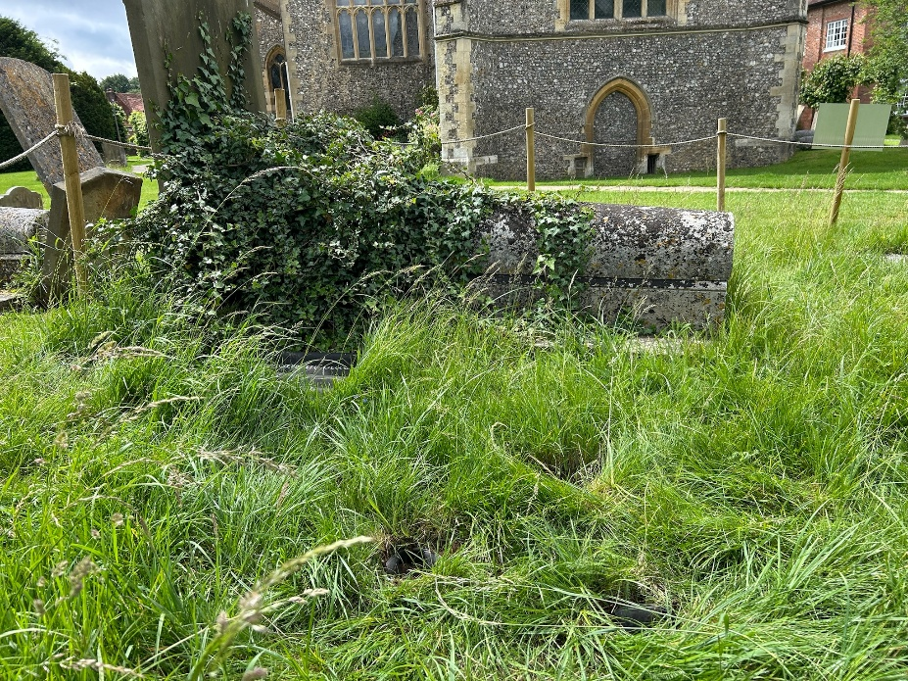
Hemiptera — bugs
Aphrophoridae | 0 | 0 | 1 | 0 | 0 | 0 | 0 | 0 | 0 | 0 | 0 | 0 | 1
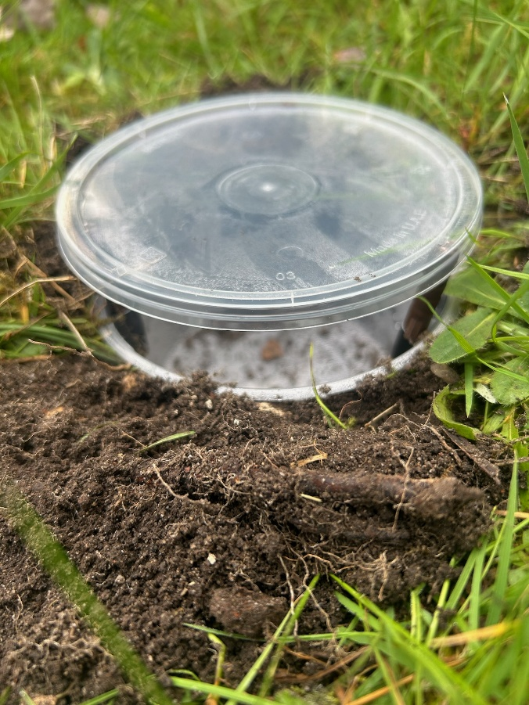
Orthoptera — grasshoppers, crickets
Acrididae | 0 | 1 | 0 | 0 | 0 | 0 | 0 | 0 | 0 | 0 | 0 | 0 | 1
Tetrigidae | 0 | 0 | 0 | 0 | 1 | 0 | 0 | 0 | 0 | 0 | 0 | 0 | 1

Dermaptera — earwigs
Forficulidae | 0 | 1 | 0 | 0 | 0 | 0 | 0 | 0 | 0 | 0 | 0 | 0 | 1

Araneae — spiders, sheet weavers
Linyphiidae | 20 | 24 | 15 | 21 | 11 | 8 | 0 | 0 | 0 | 0 | 0 | 0 | 99
Lycosidae | 1 | 1 | 0 | 0 | 0 | 0 | 0 | 0 | 0 | 1 | 0 | 0 | 3

Isopoda - Woodlice
Armadillidiidae | 0 | 10 | 0 | 0 | 0 | 0 | 0 | 2 | 0 | 0 | 0 | 0 | 12
Porcellionidae | 0 | 0 | 0 | 0 | 0 | 0 | 0 | 5 | 0 | 0 | 0 | 0 | 5

Stylommatophora — land snails, slugs |  |  |  |  |  |  |  |  |  |  |  |  | 0
Agriolimacidae | 0 | 2 | 0 | 0 | 0 | 0 | 0 | 0 | 0 | 0 | 0 | 0 | 2
Helicidae | 0 | 0 | 0 | 0 | 0 | 0 | 0 | 0 | 1 | 0 | 0 | 1 | 2

Lithobiomorpha — stone centipedes | 0 | 0 | 0 | 0 | 0 | 0 |  |  |  |  |  |  | 0
Lithobiidae | 0 | 0 | 0 | 0 | 0 | 0 | 0 | 1 | 0 | 0 | 0 | 0 | 1

Total: |  |  |  |  |  |  |  |  |  |  |  |  | 352

Bats
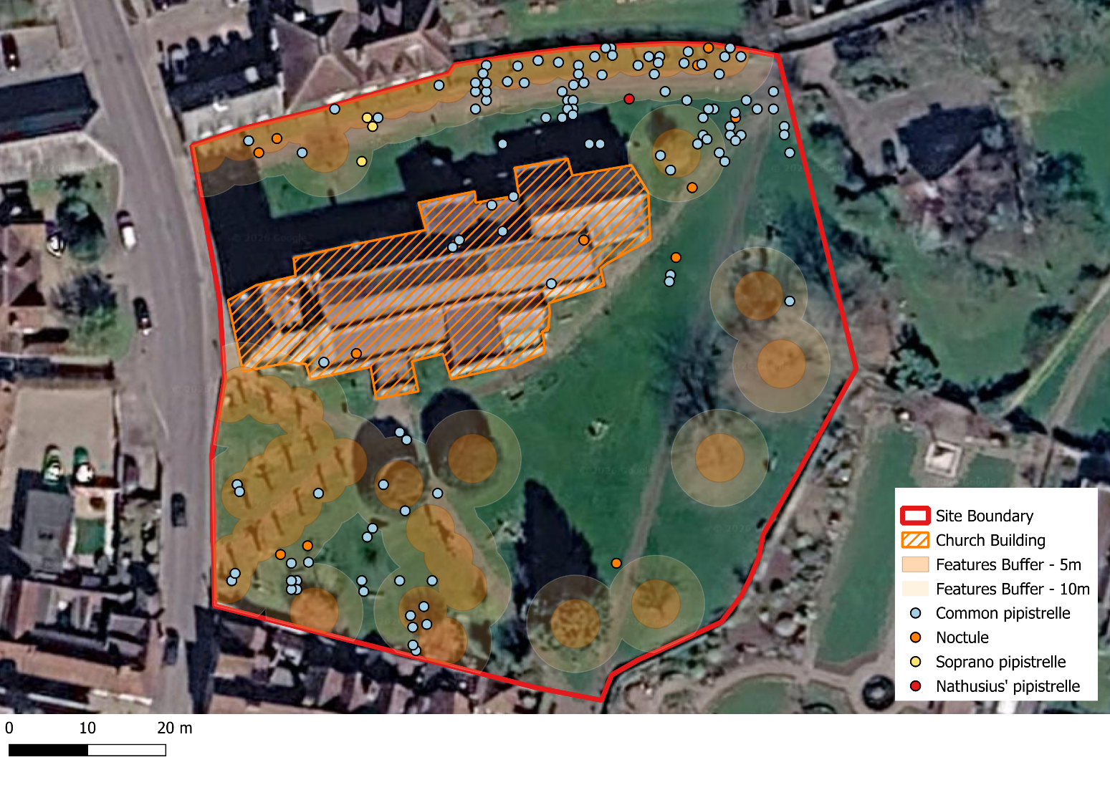
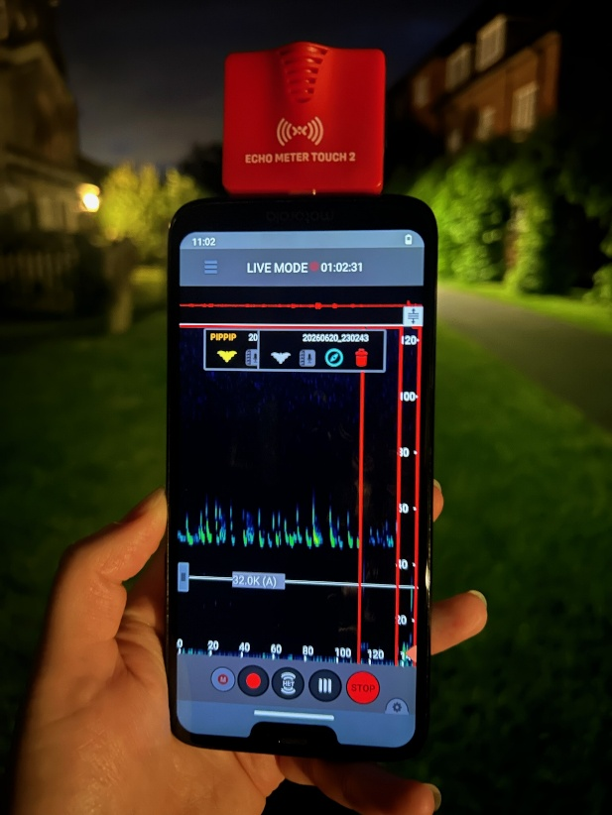
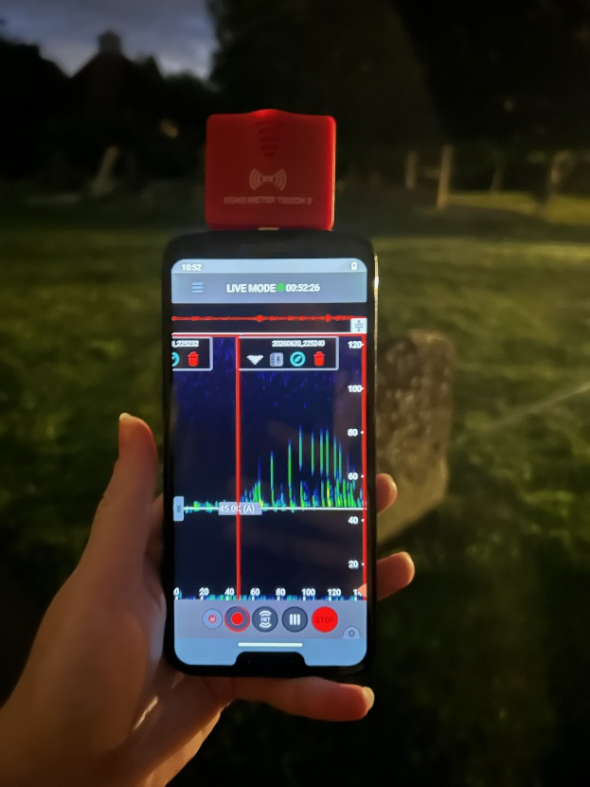
 |  |  |  |  |  |  |  | After Cleansing
Date | Sunset Time | Survey Start Time | Survey End Time | Air Temperature (degrees) | Cloud Cover (1-5) | Wind Level (Beaufont Scale) | Rain (1-5) | Common pipistrelle | Nathusius’ pipistrelle | Noctule | Soprano pipistrelle
10.05.26 | 20:48:00 | 20:18:00 | 23:18:00 | 19 | 0 | 0 | 0 | 40 | 1 | 5 | 0
20.05.26 | 21:00:00 | 20:30:00 | 23:30:00 | 15 | 3 | 4 | 1 | 2 | 0 | 9 | 0
30.05.26 | 21:10:00 | 20:40:00 | 23:40:00 | 20 | 2 | 0 | 0 | 30 | 0 | 6 | 0
10.06.26 | 21:20:00 | 20:50:00 | 23:50:00 | 25 | 0 | 0 | 0 | 32 | 0 | 0 | 0
20.06.26 | 21:28:00 | 20:58:00 | 23:58:00 | 18 | 0 | 1 | 0 | 19 | 0 | 1 | 0
30.06.26 | 21:26:00 | 20:56:00 | 23:56:00 | 20 | 1 | 1 | 0 | 54 | 0 | 3 | 3

 |  |  |  |  |  |  | TOTAL: | 177 | 1 | 24 | 3

 |  | Note: a Nathusius's pipistrelle (Pipistrellus nathusii) was detected which is an uncommon migratory species that use water courses to forage/commute

