Sheet1
GENUS | SPECIES | ENGLISH NAME IF AVAILABLE | SUBSTRATE | HABITAT | COLLECTION SITE: LATITUDE | COLLECTION SITE: LONGITUDE | COLLECTION SITE: GRID REFERENCE | COLLECTION DATE | COLLECTION TIME: HR.MIN.SEC | COLLECTOR NAME | IDENTIFIER NAME | IMAGES (Immature specimen, and specimen development where available) |  | IMAGES (Mature specimen) | MICROSCOPY IMAGES | NOTES/Links to Metadata (microscopy images etc) if new species for collection.
Arcyria | cf stipata | Melted Chocolate Tassel slime mould | Fallen deciduous branch | Deciduous (mostly Beech) woodland | 51.6719318507239 | -0.6109519768506 | SU9615297931 | 19.05.2026 | 04.50.26 | Jackie Mackenzie-Dodds | Jackie Mackenzie-Dodds | 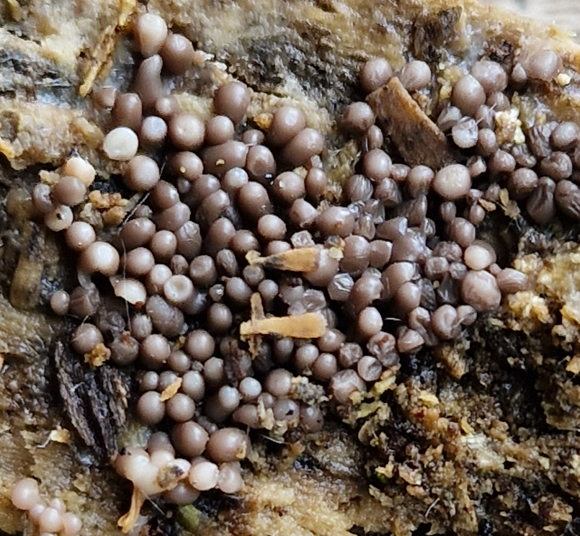 | 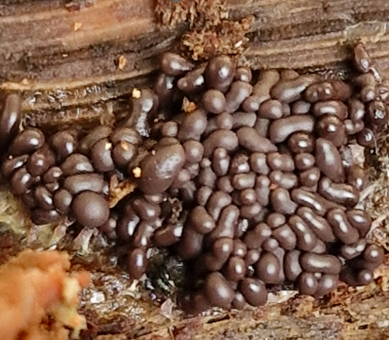 | N/A | N/A | Unmistakable species!
Oligonema | cf affine |  | Dead fallen Beech leaves | Deciduous (mostly Beech) woodland | 51.6719159251078 | -0.6108953990042 | SU9615697929 | 19.05.2026 | 05.03.20 | Jackie Mackenzie-Dodds | Jackie Mackenzie-Dodds | N/A | N/A | 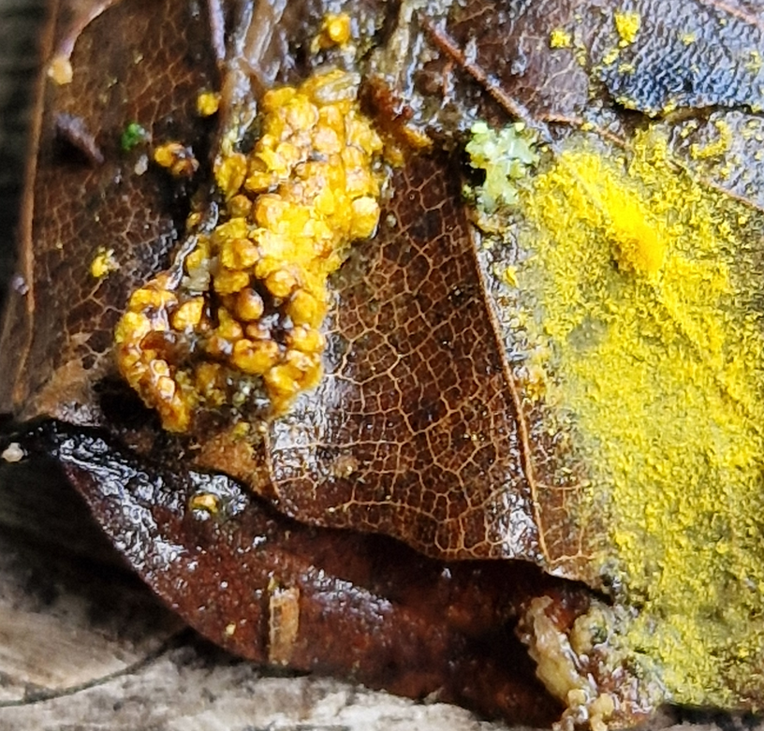 | 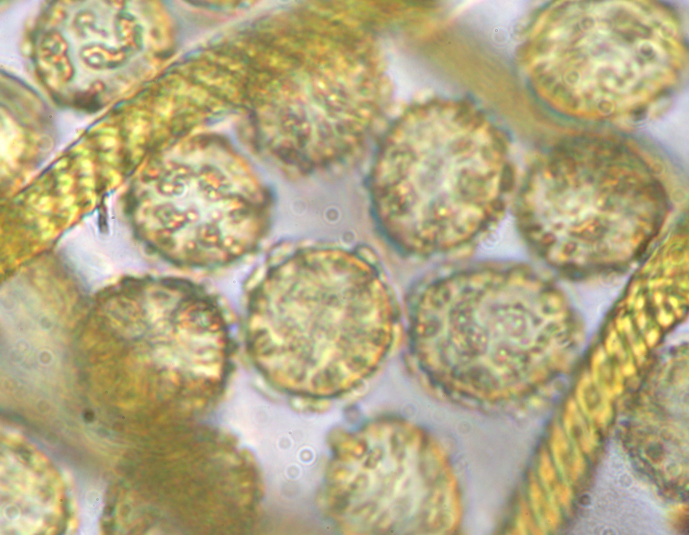 | Elaters ~5um wide, with some dispersed short (~1uM L max) spines, and spores coarsely reticulated av diam 11.5um
Stemonitopsis | typhina | Silk Stocking Slime Mould | rotten split fallen branch, decorticated wood (probably Beech). | Deciduous (mostly Beech) woodland | 51.6720119817182 | -0.6108593568206 | SU9615897940 | 19.05.2026 | 05.14.11 | Jackie Mackenzie-Dodds | Jackie Mackenzie-Dodds | N/A | 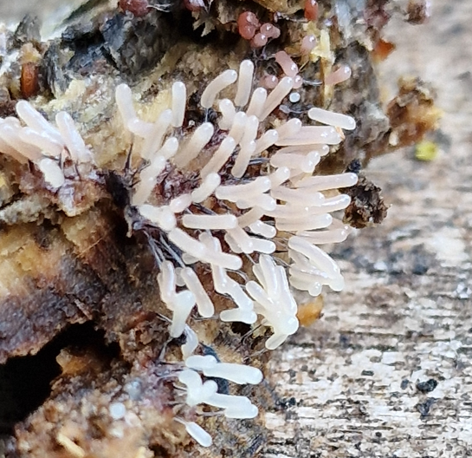 | 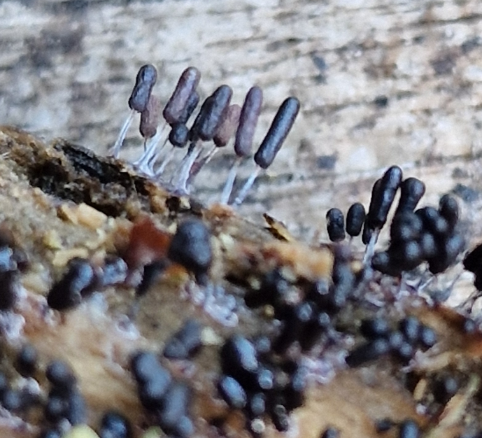 | N/A | Unmistakable species!
Fuligo | septica var rufa | Dogs Vomit slime mould | Two separate specimens close by on fallen Beech trunk. | Deciduous (mostly Beech) woodland | 51.6719954274594 | -0.6107744481415 | SU9616497938 | 28.06.2026 | 03.12.53 | Jackie Mackenzie-Dodds | Jackie Mackenzie-Dodds | 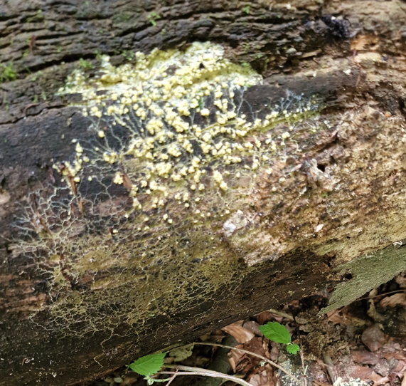 | 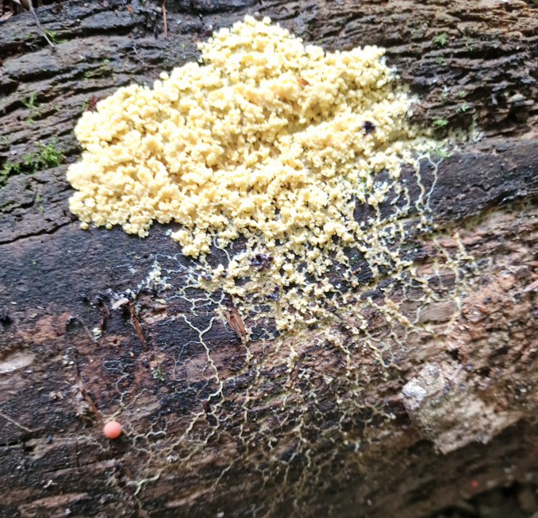 | 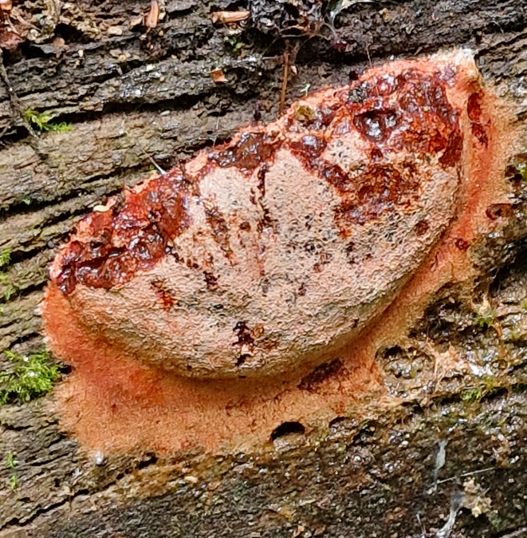 | 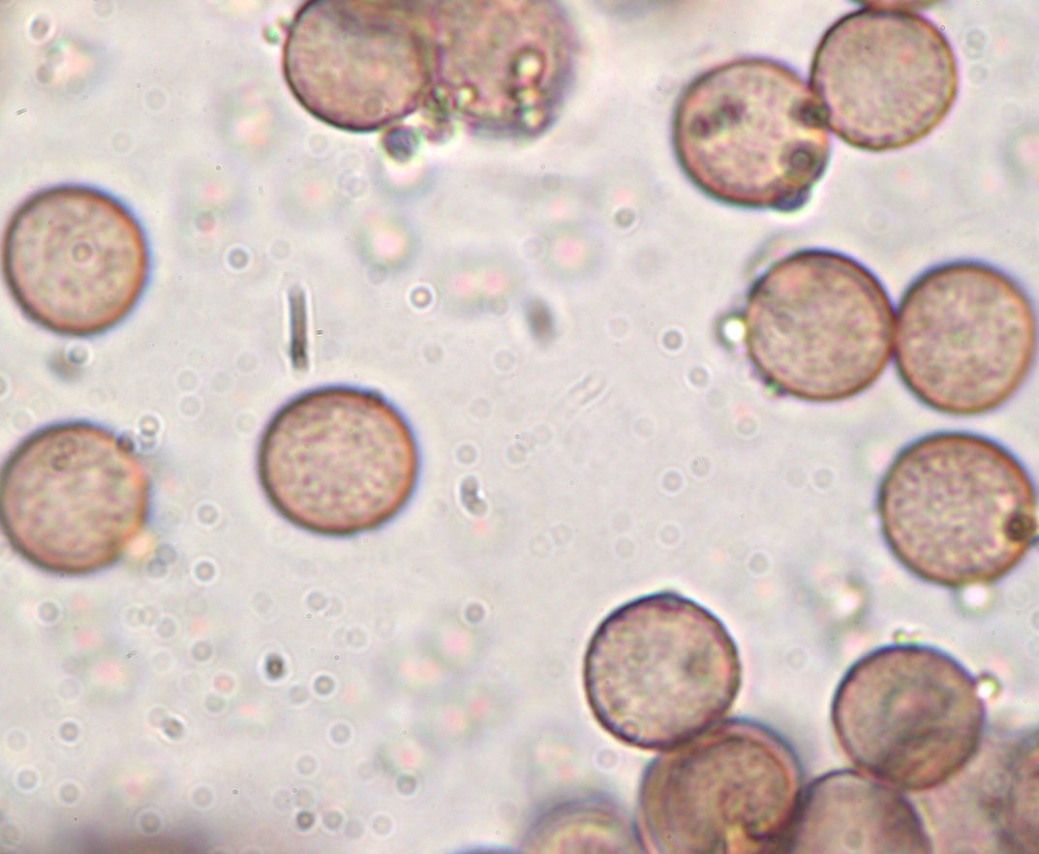 | spores: brown, spherical, warted, av diam = 6.9uM (range 6.6 – 7.2uM) smaller than other F. septica vars.
Stemonitis | fusca var fusca | Chocolate Tube slime mould | Several separate specimens close to each other on Beech stump, fallen branch and Beech trunk. | Deciduous (mostly Beech) woodland | 51.6720179747790 | -0.6106757931411 | SU9617197941 | 30.06.2026 | 10.32.22 | Jackie Mackenzie-Dodds | Jackie Mackenzie-Dodds | 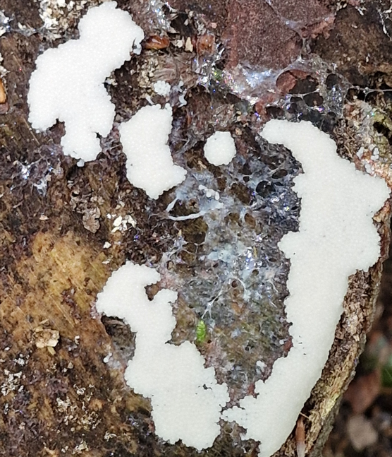 | 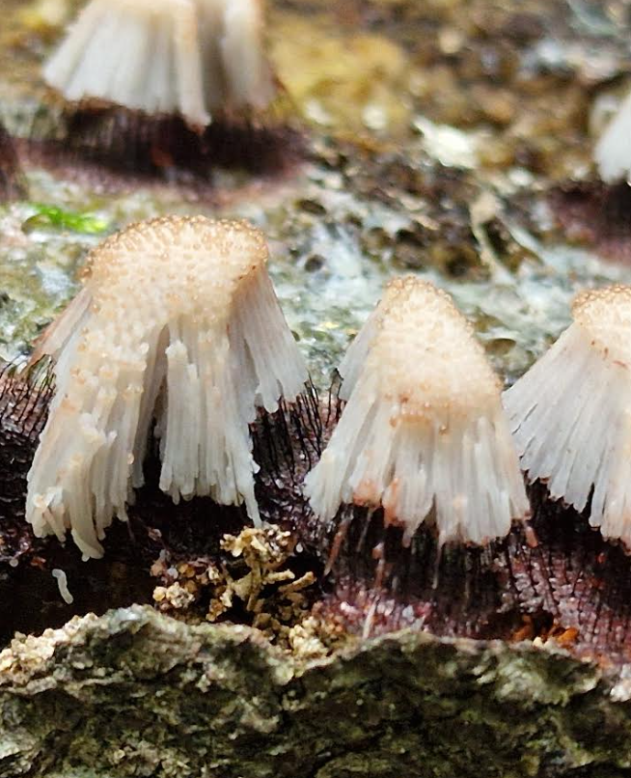 | 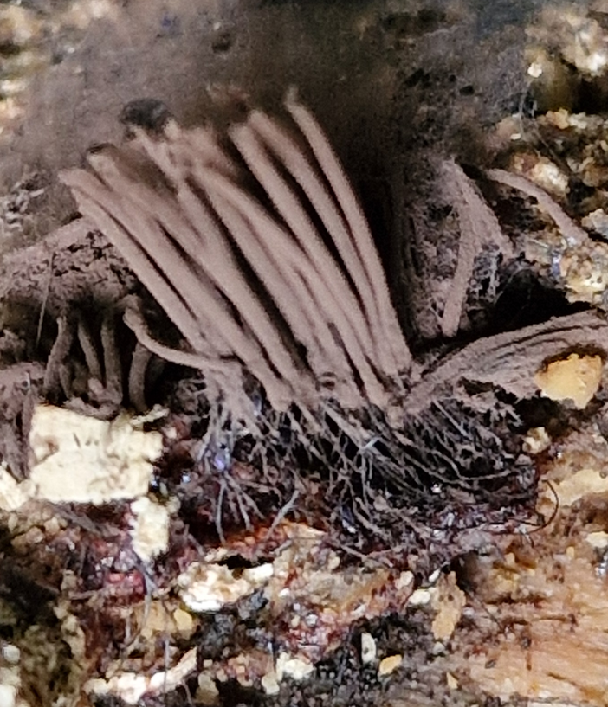 | 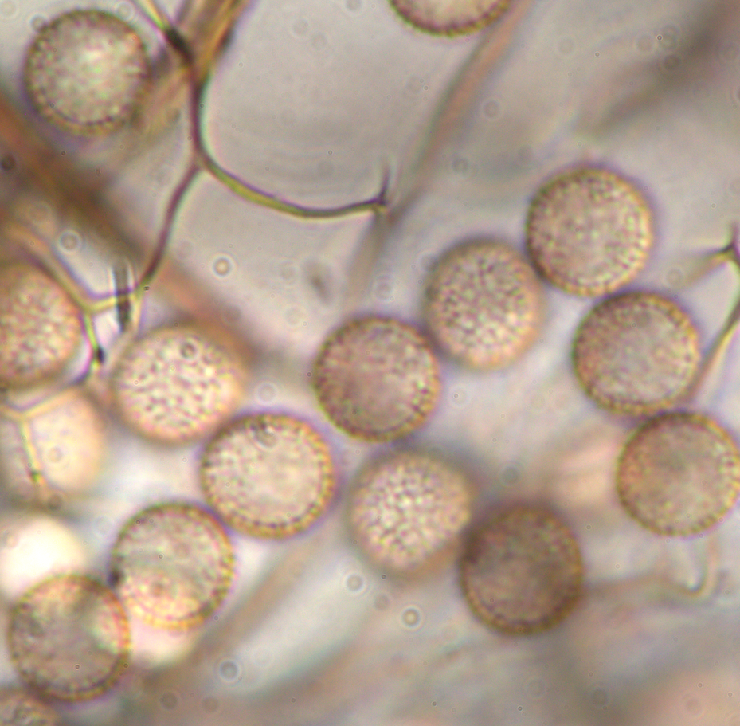 | spores pale brown in TL, reticulated and spinulose, spherical, av diam = 8.7uM

